VISS-DIGRAM
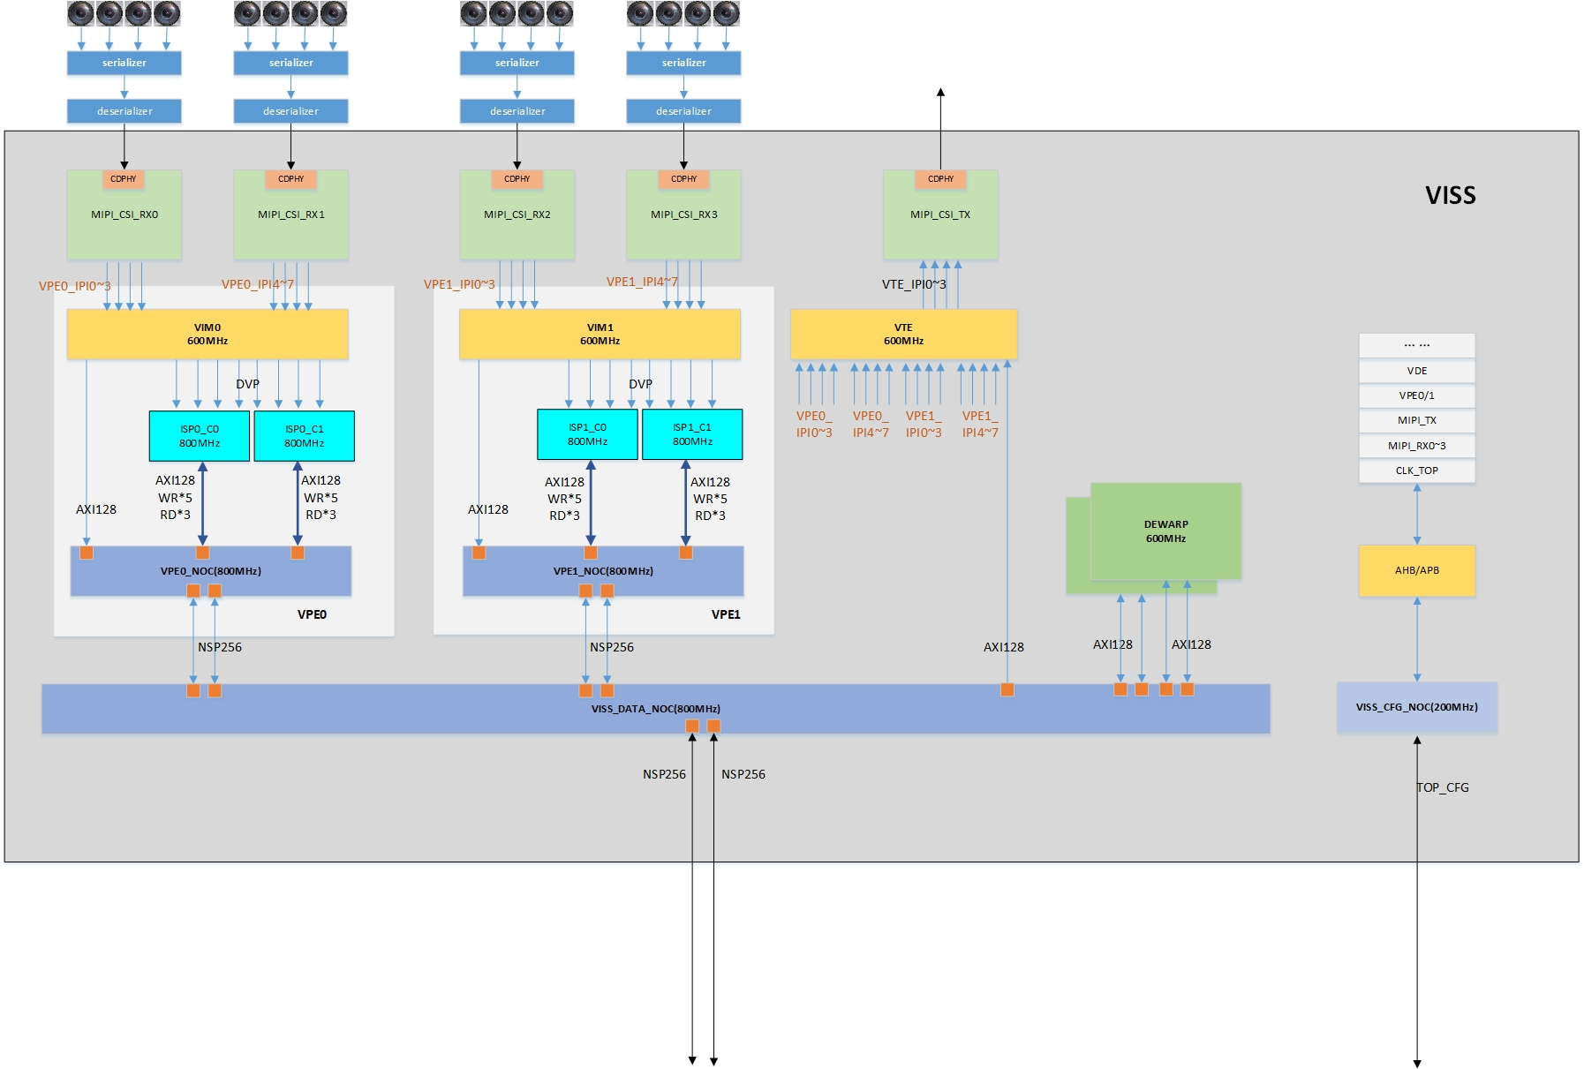

MIPI
MIPI
MIPI
MIPI

VPE
VPE

REG

BUS
BUS

BUS

VOSS-DIGRAM
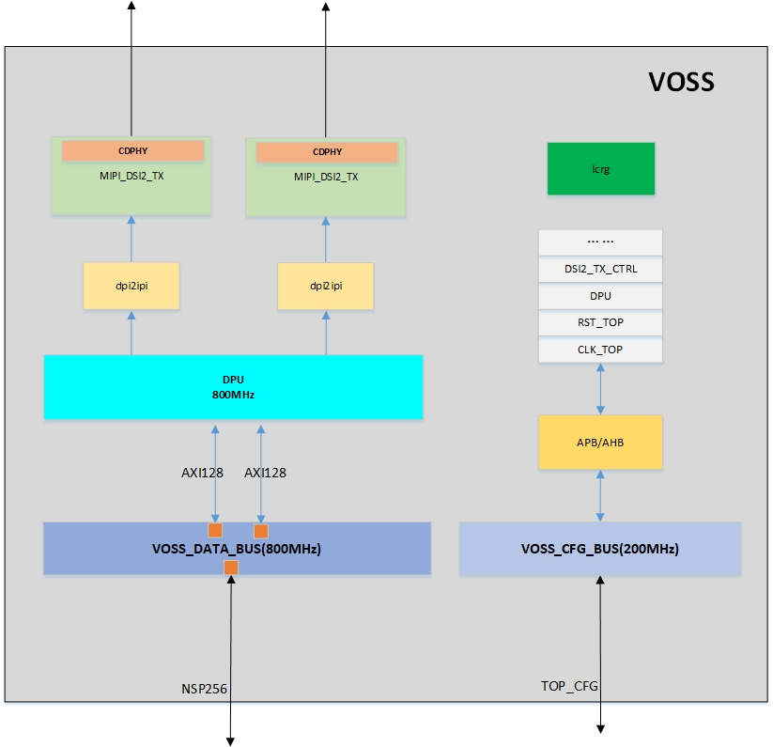

MIPI
MIPI

DPI2IPI
DPI2IPI
REG

DPU

BUS

BUS
BUS

